Laminate
A11 |  | Psi
 | Phi | 0 | 10 | 20 | 30 | 40 | 50 | 60 | 70 | 80 | 90 |  | 213771708.01
 | 0 | 1.95E+08 | 2.08E+08 | 1.95E+08 | 1.79E+08 | 1.69E+08 | 1.69E+08 | 1.79E+08 | 1.95E+08 | 2.08E+08 | 2.14E+08
 | 10 | 2.08E+08 | 2.03E+08 | 1.89E+08 | 1.74E+08 | 1.64E+08 | 1.64E+08 | 1.74E+08 | 1.89E+08 | 2.03E+08 | 2.08E+08
 | 20 | 1.95E+08 | 1.89E+08 | 1.76E+08 | 1.60E+08 | 1.50E+08 | 1.50E+08 | 1.60E+08 | 1.76E+08 | 1.89E+08 | 1.95E+08
 | 30 | 1.79E+08 | 1.74E+08 | 1.60E+08 | 1.45E+08 | 1.35E+08 | 1.35E+08 | 1.45E+08 | 1.60E+08 | 1.74E+08 | 1.79E+08
 | 40 | 1.69E+08 | 1.64E+08 | 1.50E+08 | 1.35E+08 | 1.25E+08 | 1.25E+08 | 1.35E+08 | 1.50E+08 | 1.64E+08 | 1.69E+08
 | 50 | 1.69E+08 | 1.64E+08 | 1.50E+08 | 1.35E+08 | 1.25E+08 | 1.25E+08 | 1.35E+08 | 1.50E+08 | 1.64E+08 | 1.69E+08
 | 60 | 1.79E+08 | 1.74E+08 | 1.60E+08 | 1.45E+08 | 1.35E+08 | 1.35E+08 | 1.45E+08 | 1.60E+08 | 1.74E+08 | 1.79E+08
 | 70 | 1.95E+08 | 1.89E+08 | 1.76E+08 | 1.60E+08 | 1.50E+08 | 1.50E+08 | 1.60E+08 | 1.76E+08 | 1.89E+08 | 1.95E+08
 | 80 | 2.08E+08 | 2.03E+08 | 1.89E+08 | 1.74E+08 | 1.64E+08 | 1.64E+08 | 1.74E+08 | 1.89E+08 | 2.03E+08 | 2.08E+08
 | 90 | 2.14E+08 | 2.08E+08 | 1.95E+08 | 1.79E+08 | 1.69E+08 | 1.69E+08 | 1.79E+08 | 1.95E+08 | 2.08E+08 | 2.14E+08 | Max | 2.14E+08
A11

Auto-Laminate
 | DeltaV - Double Double Laminate

 | Pa-m
 | Composite | E1 | E2 | v12 | G66
 | DeltaV1 | 8.95E+10 | 7.95E+10 | 0.0577 | 3.30E+09

A11
A11
A11 |  | Psi |  |  |  |  |  |  |  |  |  |  | A11
 | Phi | 0 | 10 | 20 | 30 | 40 | 50 | 60 | 70 | 80 | 90 |  | 213771708.01
 | 0 | 2.41E+08 | 2.34E+08 | 2.19E+08 | 2.00E+08 | 1.87E+08 | 1.85E+08 | 1.94E+08 | 2.08E+08 | 2.22E+08 | 2.27E+08
 | 10 | 2.34E+08 | 2.28E+08 | 2.13E+08 | 1.94E+08 | 1.81E+08 | 1.79E+08 | 1.87E+08 | 2.02E+08 | 2.16E+08 | 2.21E+08
 | 20 | 2.19E+08 | 2.13E+08 | 1.97E+08 | 1.78E+08 | 1.65E+08 | 1.63E+08 | 1.72E+08 | 1.86E+08 | 2.00E+08 | 2.05E+08
 | 30 | 2.00E+08 | 1.94E+08 | 1.78E+08 | 1.60E+08 | 1.47E+08 | 1.45E+08 | 1.53E+08 | 1.68E+08 | 1.82E+08 | 1.87E+08
 | 40 | 1.87E+08 | 1.81E+08 | 1.65E+08 | 1.47E+08 | 1.34E+08 | 1.32E+08 | 1.40E+08 | 1.55E+08 | 1.68E+08 | 1.74E+08
 | 50 | 1.85E+08 | 1.79E+08 | 1.63E+08 | 1.45E+08 | 1.32E+08 | 1.29E+08 | 1.38E+08 | 1.53E+08 | 1.66E+08 | 1.72E+08
 | 60 | 1.94E+08 | 1.87E+08 | 1.72E+08 | 1.53E+08 | 1.40E+08 | 1.38E+08 | 1.47E+08 | 1.61E+08 | 1.75E+08 | 1.80E+08
 | 70 | 2.08E+08 | 2.02E+08 | 1.86E+08 | 1.68E+08 | 1.55E+08 | 1.53E+08 | 1.61E+08 | 1.76E+08 | 1.90E+08 | 1.95E+08
 | 80 | 2.22E+08 | 2.16E+08 | 2.00E+08 | 1.82E+08 | 1.68E+08 | 1.66E+08 | 1.75E+08 | 1.90E+08 | 2.03E+08 | 2.08E+08
 | 90 | 2.27E+08 | 2.21E+08 | 2.05E+08 | 1.87E+08 | 1.74E+08 | 1.72E+08 | 1.80E+08 | 1.95E+08 | 2.08E+08 | 2.14E+08
 |  |  |  |  |  |  |  |  |  |  |  | Max | 2.41E+08

D66
D66

D66 |  | Psi |  |  |  |  |  |  |  |  |  |  | D66
 | Phi | 0 | 10 | 20 | 30 | 40 | 50 | 60 | 70 | 80 | 90 |  | 5.2934288
 | 0 | 5.29E+00 | 5.25E+00 | 6.24E+00 | 1.01E+01 | 1.64E+01 | 2.16E+01 | 2.16E+01 | 1.60E+01 | 8.64E+00 | 5.29E+00
 | 10 | 5.25E+00 | 5.20E+00 | 6.19E+00 | 1.00E+01 | 1.63E+01 | 2.15E+01 | 2.16E+01 | 1.59E+01 | 8.59E+00 | 5.25E+00
 | 20 | 6.24E+00 | 6.19E+00 | 7.18E+00 | 1.10E+01 | 1.73E+01 | 2.25E+01 | 2.26E+01 | 1.69E+01 | 9.58E+00 | 6.24E+00
 | 30 | 1.01E+01 | 1.00E+01 | 1.10E+01 | 1.49E+01 | 2.12E+01 | 2.63E+01 | 2.64E+01 | 2.08E+01 | 1.34E+01 | 1.01E+01
 | 40 | 1.64E+01 | 1.63E+01 | 1.73E+01 | 2.12E+01 | 2.74E+01 | 3.26E+01 | 3.27E+01 | 2.71E+01 | 1.97E+01 | 1.64E+01
 | 50 | 2.16E+01 | 2.15E+01 | 2.25E+01 | 2.63E+01 | 3.26E+01 | 3.78E+01 | 3.79E+01 | 3.23E+01 | 2.49E+01 | 2.16E+01
 | 60 | 2.16E+01 | 2.16E+01 | 2.26E+01 | 2.64E+01 | 3.27E+01 | 3.79E+01 | 3.80E+01 | 3.23E+01 | 2.50E+01 | 2.16E+01
 | 70 | 1.60E+01 | 1.59E+01 | 1.69E+01 | 2.08E+01 | 2.71E+01 | 3.23E+01 | 3.23E+01 | 2.67E+01 | 1.93E+01 | 1.60E+01
 | 80 | 8.64E+00 | 8.59E+00 | 9.58E+00 | 1.34E+01 | 1.97E+01 | 2.49E+01 | 2.50E+01 | 1.93E+01 | 1.20E+01 | 8.64E+00
 | 90 | 5.29E+00 | 5.25E+00 | 6.24E+00 | 1.01E+01 | 1.64E+01 | 2.16E+01 | 2.16E+01 | 1.60E+01 | 8.64E+00 | 5.29E+00
 |  |  |  |  |  |  |  |  |  |  |  | Max | 3.80E+01

User Info
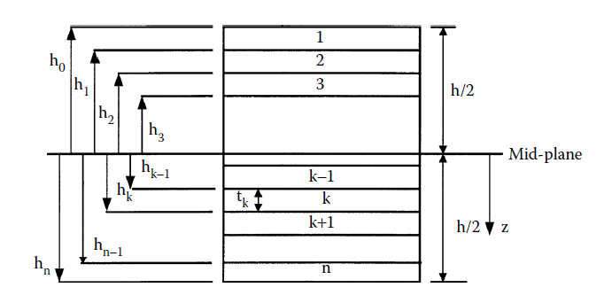
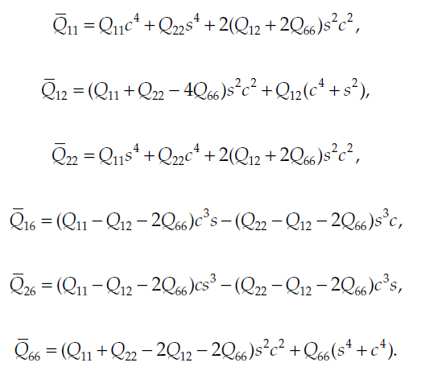
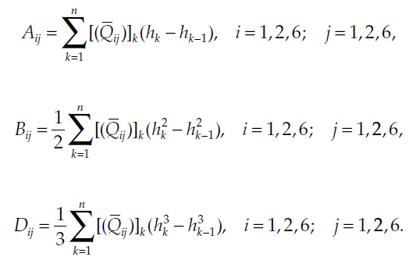
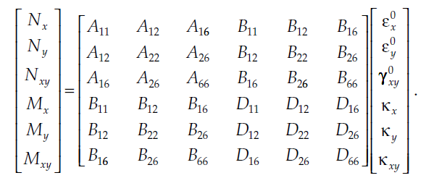
 |  | THEORY
±F | Phi
±Y | Psi
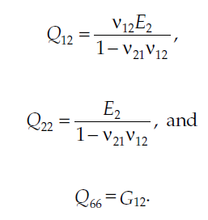
 |  | ±F/±Y

 |  | TOOL

1- CLT based composite modelling is included
2- DD way say that the lay-up is ordered as Phi/-Phi/Psi/-Psi
3- The optimization includes 4 laminae
4- Stiffness matrix coefficients are optimized by 0 to 90 ply angle for both Phi and Psi
5- Material properties must be controlled
6- Calculate
7- Select the best angle pair

